HCI Project Experiment
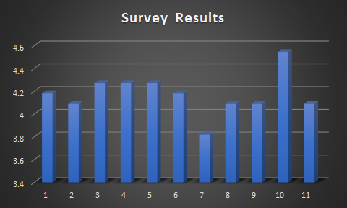
Timestamp | Name | Age | Occupation/Profession/Experience | How would you rate sign in and signup? | How was your impression of home screen? | How was the text and font used? | How would you rate the consistency of the system? | How would you rate the average response time and performance? | How would you rate the clarity and visibility factor? | How efficiently were you able to perform the desired task? | How would you rate the navigation in this form? | How easy was it for you to remember the basic functionalities? | How would you rate the vocabulary used? | Was adequate help provided for each step?
2022/12/01 1:53:43 PM GMT+5 | Umair Ahmed | 19 | Univeristy Student | 5 | 4 | 5 | 5 | 5 | 4 | 5 | 5 | 5 | 5 | 4
2022/12/01 2:23:43 PM GMT+5 | Huzaifa Zeeshan | 22 | Univeristy Student | 4 | 5 | 5 | 5 | 3 | 4 | 2 | 3 | 5 | 4 | 4
2022/12/02 8:46:13 AM GMT+5 | Saaram Islam Cheema | 18 | Univeristy Student | 4 | 5 | 4 | 4 | 4 | 5 | 4 | 4 | 4 | 5 | 4
2022/12/02 10:15:43 AM GMT+5 | Arshad Bhatti | 20 | Univeristy Student | 4 | 3 | 3 | 5 | 5 | 4 | 3 | 4 | 4 | 5 | 3
2022/12/02 11:50:57 AM GMT+5 | AsadUllah Khan | 21 | Univeristy Student | 5 | 4 | 4 | 4 | 5 | 5 | 4 | 4 | 4 | 5 | 4
2022/12/02 4:07:11 PM GMT+5 | Hassan Younas | 21 | Univeristy Student | 5 | 5 | 5 | 5 | 5 | 5 | 5 | 5 | 5 | 5 | 5
2022/12/02 4:12:56 PM GMT+5 | Muhammad abdullah | 20 | Univeristy Student | 4 | 3 | 5 | 5 | 5 | 4 | 3 | 4 | 4 | 5 | 4
2022/12/02 4:13:47 PM GMT+5 | Ahsan | 18 | Univeristy Student | 4 | 5 | 3 | 3 | 4 | 3 | 4 | 4 | 4 | 5 | 5
2022/12/02 4:18:20 PM GMT+5 | Muhammad Usman | 21 | Univeristy Student | 4 | 3 | 5 | 4 | 3 | 4 | 4 | 4 | 3 | 4 | 4
2022/12/02 4:20:10 PM GMT+5 | Muhammad Waleed | 20 | Univeristy Student | 4 | 3 | 5 | 4 | 4 | 4 | 5 | 4 | 4 | 4 | 4
2022/12/02 4:23:13 PM GMT+5 | Sheraz | 20 | Univeristy Student | 3 | 5 | 3 | 3 | 4 | 4 | 3 | 4 | 3 | 3 | 4
Average |  | 20 |  | 4.181818182 | 4.090909091 | 4.272727273 | 4.272727273 | 4.272727273 | 4.181818182 | 3.818181818 | 4.090909091 | 4.090909091 | 4.545454545 | 4.090909091

